1. Title Page
Grocery Basket Analysis

Project Name: Instacart Grocery Basket Analysis
Date: 8/4/2023
Analyst Name: Jeong Park

Contents:
Population Flow
Consistency checks
Wrangling steps
Column derivations
Visualizations
Recommendations

Data Citation: "The Instacart Online Grocery Shopping Dataset 2017", Accessed from www.instacart.com/datasets/grocery-shopping-2017 via Kaggle on August 4, 2023.
Note: Customer data and prices coulmn were fabricated for this project and do not contain real-world information.

2. Population Flow
Title page

Population flow

Exclusion flag
Condition: max_order < 5
Obervations to be removed: 1,440,295
Final total count of order_products_all: 30,964,564

Orders_products_combined
Orders_products_merged
orders_products_all

Total: 32,434,489
Total: 32,404,859
Total: 32,404,859

3. Consistency checks
 |  |  |  | Title page
Consistency checks

Dataset | Missing values | Missing values treatment | Duplicates
orders | 206,209 missing values in days_since prior order column | Missing values were left as is, as there cannot be days before a first order. were removed
products | 16 missing values in product_name column | Missing values were removed | 5 duplicate rows were removed

4. Wrangling steps
 |  |  |  |  | Title page
Wrangling steps

Dataframe | Columns dropped | Columns renamed | Columns' type changed | Comment/Reason
orders | eval_sest |  |  | data irrelevant for analysis
orders |  | order_dow to orders_day_of_the_week |  | "days_of_the_week" is more intuitve than "dow"
orders |  |  | order_id | Column values are non-numeric
orders |  |  | user_id | Column values are non-numeric
customers |  | First Name to first_name |  | for consistency
customers |  | Surnam to last_name |  | for consistency
customers |  | Gender to sex |  | sex is the correct term
customers |  | STATE to state |  | for consistency
customers |  | Age to age |  | for consistency
customers |  | fam_status to martial_status |  | martial_status seemed more intuitive
customers |  |  | user_id | Column values are non-numeric

5. Column derivations
 |  |  |  | Title page

Column derivations and aggregations

In this tab you should add tables below that the frequences of flags/label variables that you produced after deriving them. NB: on't do this for continuous variables, only for flags.
Dataset | New column | Column/s it was derived from | Conditions
orders_products_combined.pkl | _merge | order_id' from 'orders_checked.csv' and 'order_id' from 'order_products__prior.csv' | if 'order_id' is present in both data sets = "both" if 'order_id' is present in 'orders_checked.csv' = "left_only"
orders_products_merged_updated.pkl | price_label | prices | if 'prices' < = 5, 'Low-range product' if 5 < 'prices' <= 15, 'Mid-range product' if 'prices' > 15, 'High range' or else: 'Not enough data'
orders_products_merged_updated.pkl | price_range_loc | prices | if 'prices' < = 5, 'Low-range product' if 5 < 'prices' <= 15, 'Mid-range product' if 'prices' > 15, 'High-range product'
orders_products_merged_updated.pkl | busiest_day | order_days_of_the_week | if 'order_days_of_the_week' = 0, 'Busiest day' if 'order_days_of_the_week' = 4, 'Leasst busy' or else: 'Regularly busy'
orders_products_merged_updated.pkl | busiest_days | order_days_of_the_week | if 'order_days_of_the_week' = 0 or 1, 'Busiest day' if 'order_days_of_the_week' = 3 or 4, 'Slowest day' or else: 'Normal day'
orders_products_merged_updated.pkl | busiest_period_of_day | order_hour_of_day | if 'order_hour_of_day' = 10, 11, 14, 15, 13, 12, 16, or 9 , 'Most orders' if 'order_hour_of_day' = 0, 1, 5, 2, 4, or 3, 'Fewest orders' or else: 'Average orders'
orders_products_merged_updated2.pkl | max_order | user_id, order_sequence_number | Created by grouping user_id and order_number column and transforming by np.max
orders_products_merged_updated2.pkl | loyalty_flag | max_order | if 'max_order' > 40, 'Loyal customer' if 10 < 'max_order'' <= 40, 'Regular customer' if 'max_order'' <= 10, 'New customer'
orders_products_merged_updated2.pkl | average_price | user_id, prices | Mean of prices for each user_id
orders_products_merged_updated2.pkl | spending_flag | average_price | if 'avg_ord_spend' < 10, 'Low spender' if 'avg_ord_spend' >= 10, 'High spender'
orders_products_merged_updated2.pkl | median_last_order | user_id, days_since_prior_order | Median value of 'days_since_prior_order' for each 'user_id'
orders_products_merged_updated2.pkl | last_order_frequency | median_last_order | if 'median_frequency' > 20, 'Non-frequent customer' if 10 < 'median_frequency' <= 20, 'Regular customer' if 'median_frequency' <= 10, 'Frequent customer'
order_products_all.pkl | region | state | Created regions using state column and if the state was in the region specified then it would be put in the region column as the specified region
order_products_all.pkl | exclusion_flag | max_order | if 'max_order' < 5, 'Low-activity' if 'max_order' >= 5, 'Regular-activity'

orders_products_combined.pkl | _merge | both 32434489 left_only 0 right_only 0 Name: _merge, dtype: int64
orders_products_merged_updated.pkl | price_label | Mid range product 756450 Low range product 243550 Name: price_range_loc, dtype: int64
orders_products_merged_updated.pkl | price_range_loc | Mid range product 21860860 Low range product 10126321 High range product 417678 Name: price_range_loc, dtype: int64
orders_products_merged_updated.pkl | busiest_day | Regulary busy 22416875 Busiest day 6204182 Least busy 3783802 Name: busiest_day, dtype: int64
orders_products_merged_updated.pkl | busiest_days | Regulary busy 12916111 Busiest days 11864412 Least busy 7624336 Name: busiest_days, dtype: int64
orders_products_merged_updated.pkl | busiest_period_of_day | Average orders 29591818 Most Orders 2761760 Fewest orders 51281 Name: busiest_period_of_day, dtype: int64
orders_products_merged_updated2.pkl | loyalty_flag | Regular customer 15876776 Loyal customer 10284093 New customer 6243990 Name: loyalty_flag, dtype: int64
orders_products_merged_updated2.pkl | spending_flag | Low spender 32285165 High spender 119694 Name: spending_flag, dtype: int64
orders_products_merged_updated2.pkl | last_order_frequency | Frequent customer 21559853 Regular customer 7208564 Non-frequent customer 3636437 NaN 5 Name: last_order_frequency, dtype: int64
order_products_all.pkl | region | South 10791885 West 8292913 Midwest 7597325 Northeast 5722736 Name: region, dtype: int64
order_products_all.pkl | exclusion_flag | High activity customer 30964564 Low activity customer 1440295 Name: exclusion_flag, dtype: int64

6. Visualizations
Visualisations

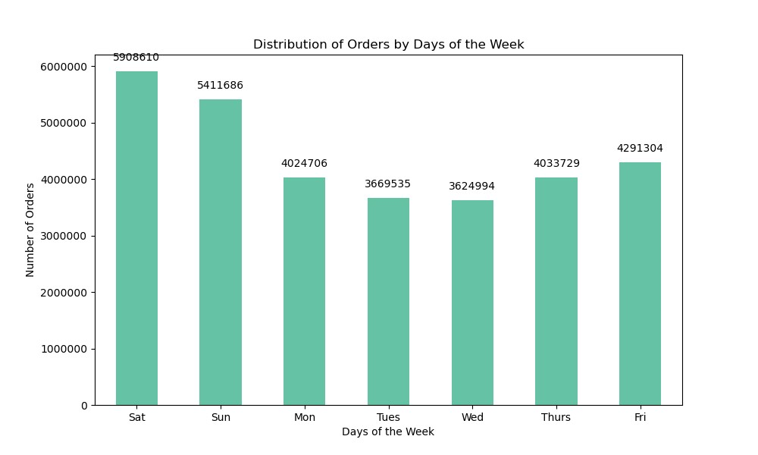

Key Question 1: Busiest day of the week



Key Question 1: Busiest hours of the day

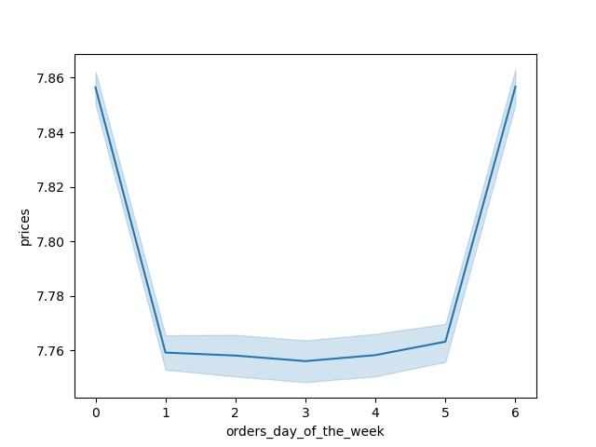

Key Question 2: Days when people spend the most money
Relationship: Prices are the highest towards the weekend (Friday and Saturday)

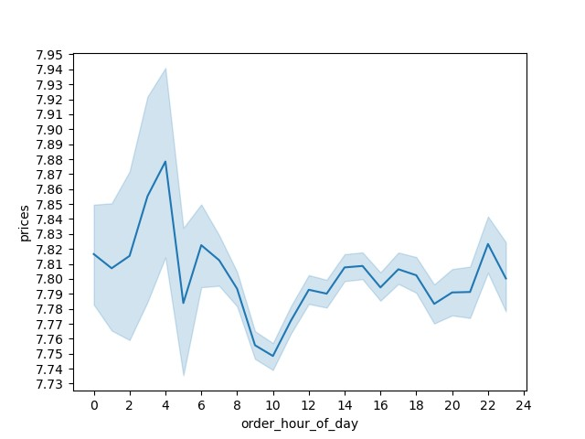

Key Question 2: Particular times of day when people spend the most money
Relationship: People spend the most money in late night to early morning.

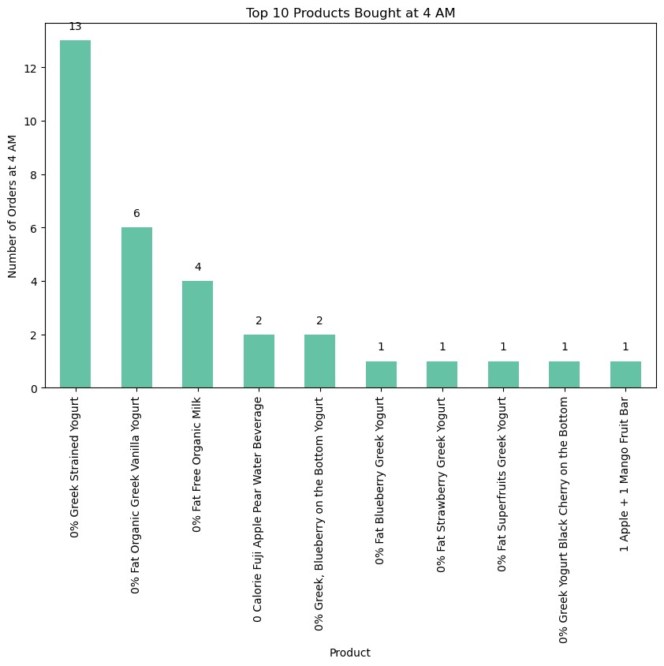

Key Question 2: Particular times of day when people spend the most money to inform the type of products to advertise
Relationship: Overall, people tend to buy light products such as yogurt, beverages or bars. Although the most money is spent at this time, because it is 4 am, when most people are asleep, there are a very small number of orders.

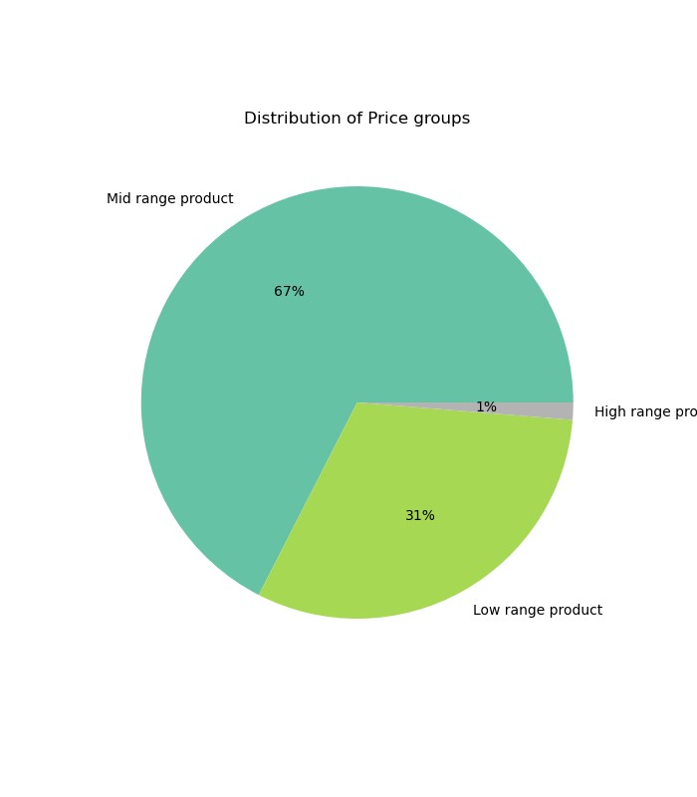

Key Question 3: Price range groupings



Key Question 3: Price range groupings

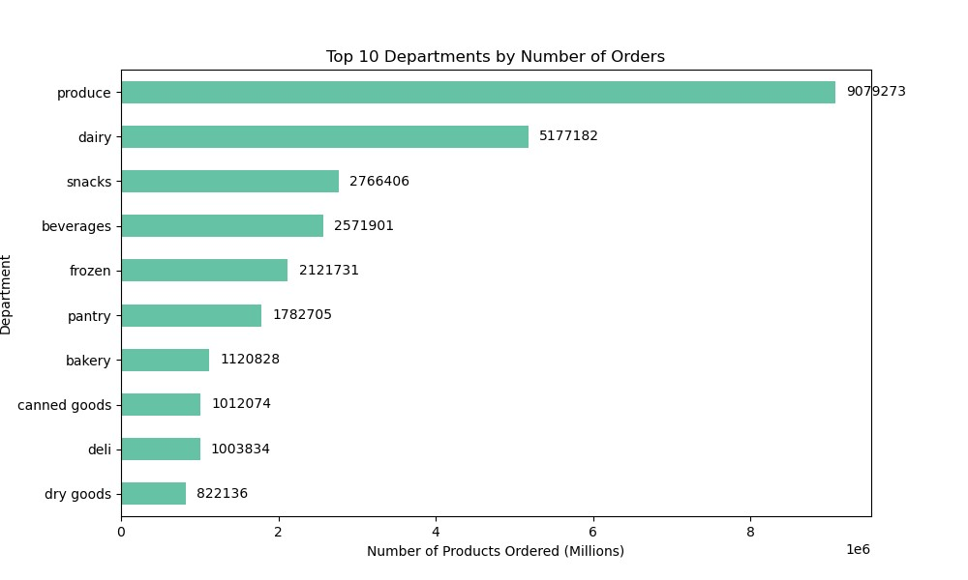

Key Question 4: Are certain types of products more popular than others?

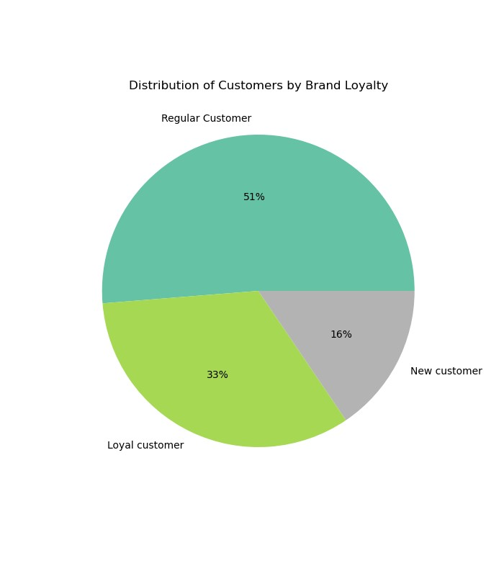

Key Question 5a : Distribution of customer brand loyalty



Key Question 5a : Distribution of customer brand loyalty
(regular, loyal, new)

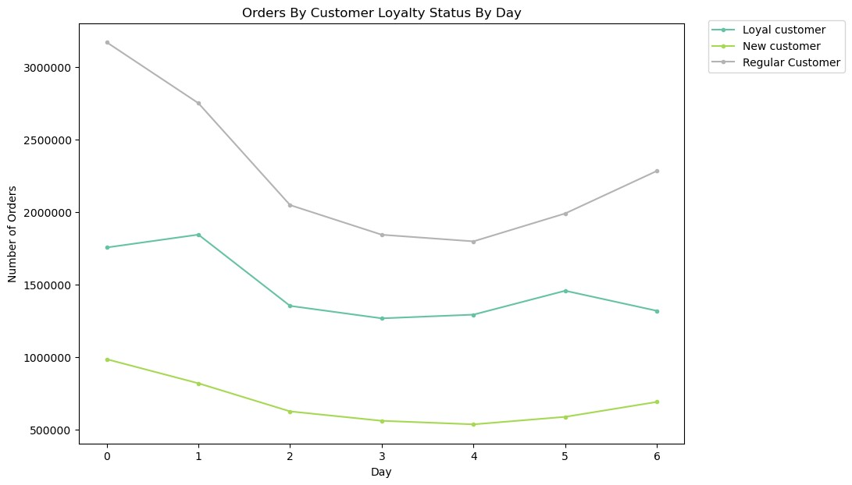

Key Question 5b : Differences in ordering habits based on customer's loyalty status
Relationship: Regular and new customers had similar trends, in the middle of the week they ordered less and ordered more towards the end. Meanwhile, loyal customers actually peaked in orders on Sunday rather than Saturday. Overall, regular customers ordered the most over the week followed by loyal and newer customers

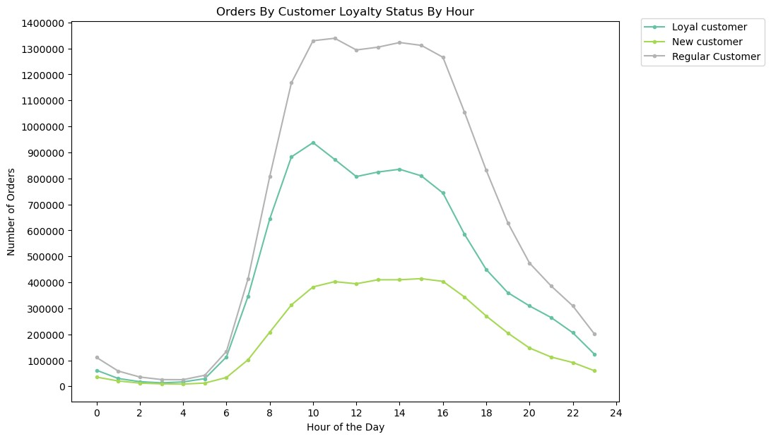

Key Question 5b : Differences in ordering habits based on customer's loyalty status
Relationship: All customers, regardless of loyalty status, tend to do most of their shopping in the afternoon. Loyal customers seem to order noticeably more at early times (around 10 am) than the other two groups. Additionally, regular customers also order more at early times. Overall, regular customers order the most, followed by loyal and newer customers.

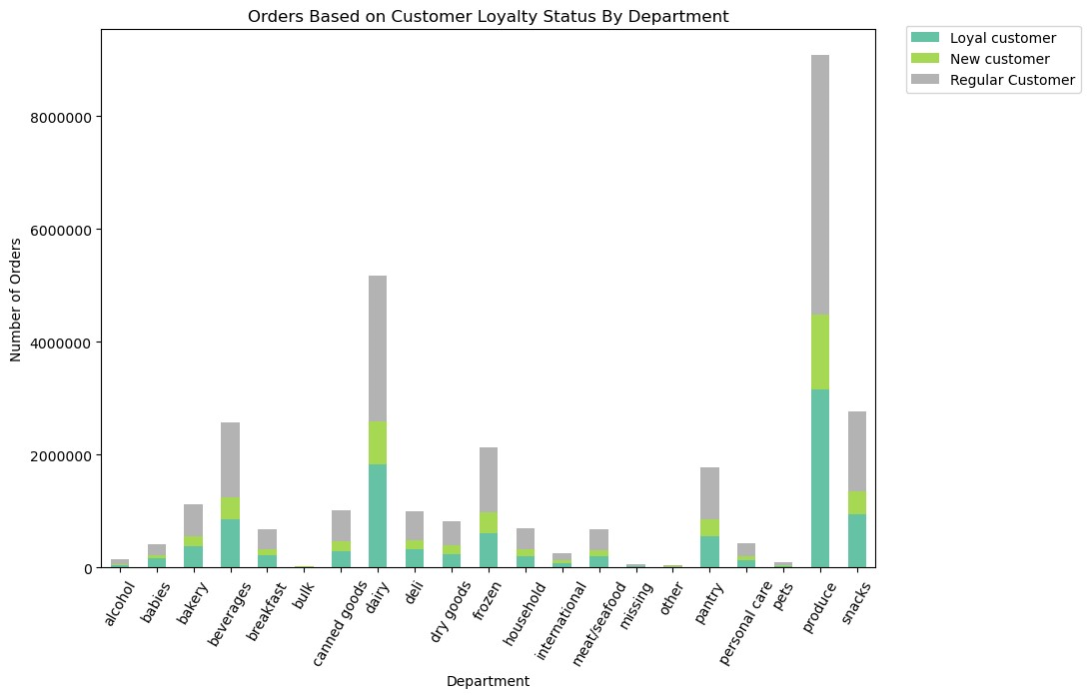

Key Question 5b : Differences in ordering habits based on customer's loyalty status
Relationship: All customers, regardless of loyalty status, seemed to order the most from the same departments, such as, produce, dairy and beverages.

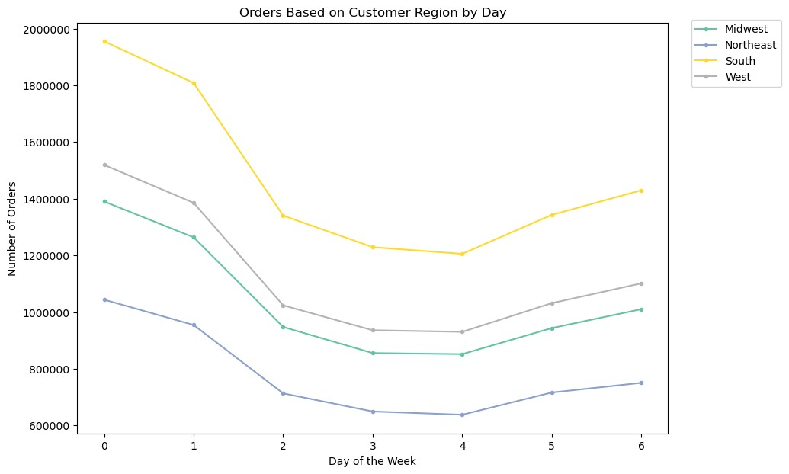

Key Question 5c : Differences in ordering habits based on customer's region
Relationship: Ordering habits seem to be similar throughout all 4 regions. Saturday has the most orders while, Wednesday has the least. Overall, customers in the South place the most orders, followed by the West, Midwest and Northeast.

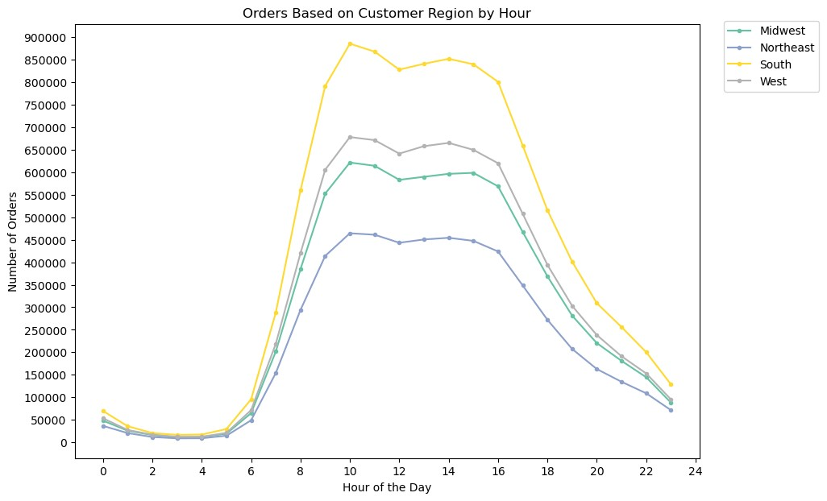

Key Question 5c : Differences in ordering habits based on customer's region
Relationship: Ordering habits seem to be similar throughout all 4 regions. 10 am is the busiest time of the day. Overall, customers in the South place the most orders, followed by the West, Midwest and Northeast.

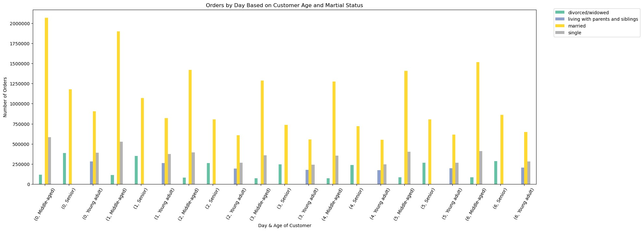

Key Question 5d: Is there a connection between age and family status in terms of ordering habits?
Relationship: Of married customers, middle-aged customers ordered the most and young adults the least. Only young adult customers are living with parents and siblings. Additionally, of divorced/widowed customers, seniors ordered more than middle age customers. Lastly, there are no single senior customers and middle age customers that are single order more than young adult customers.



Key Question 5e: What different classifications does the demographic information suggest?
Relationship: There is little to no relationship between the two variables as there is no discernable trend or pattern to be observed.

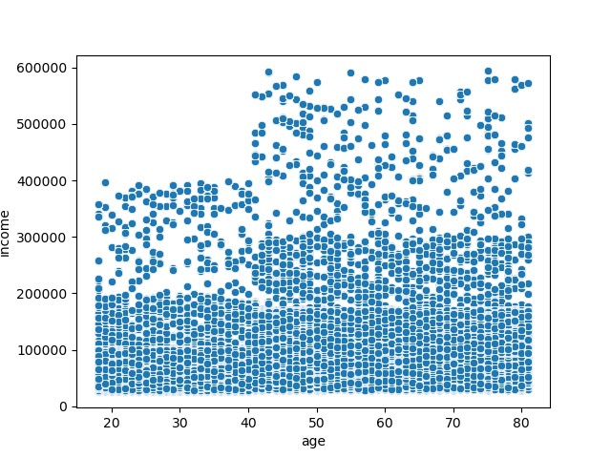

Key Question 5e: What different classifications does the demographic information suggest?
Relationship: The scatterplot shows that the vast majority of customers at all ages tend to make under 200k in income. This is shown by the majority of data points clustering around 200k and below. Additionally, no one under the age of 40 seems to be making above 400k. Overall, it seems that income tends to generally increase around
the age of 40.

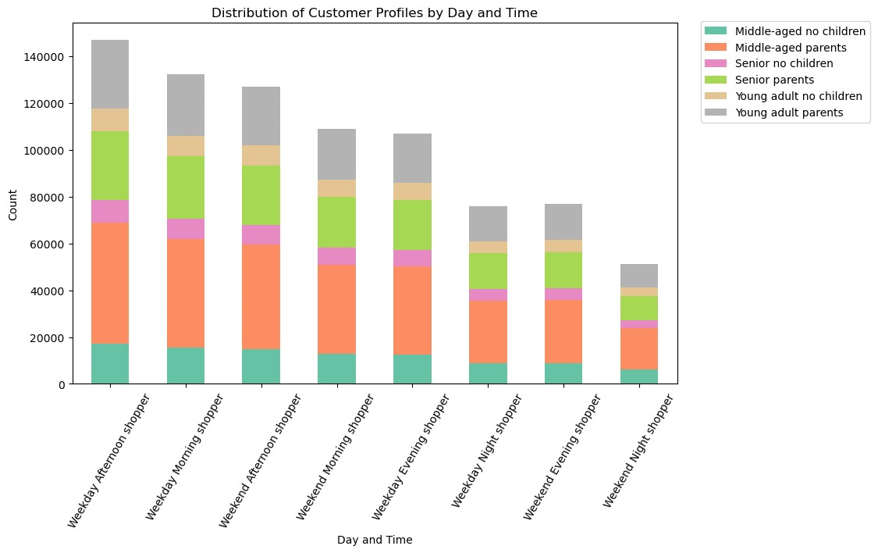

Key Question 5f: Differences in ordering habits of different customer profiles
Relationship: Overall, all customers ordered the most in the weekday afternoon. With middle-aged parents with the most orders followed by senior parents. Additionally, parents ordered more in general. Lastly, seniors with no children ordered the least with young adults with no children ordering just a little bit more.

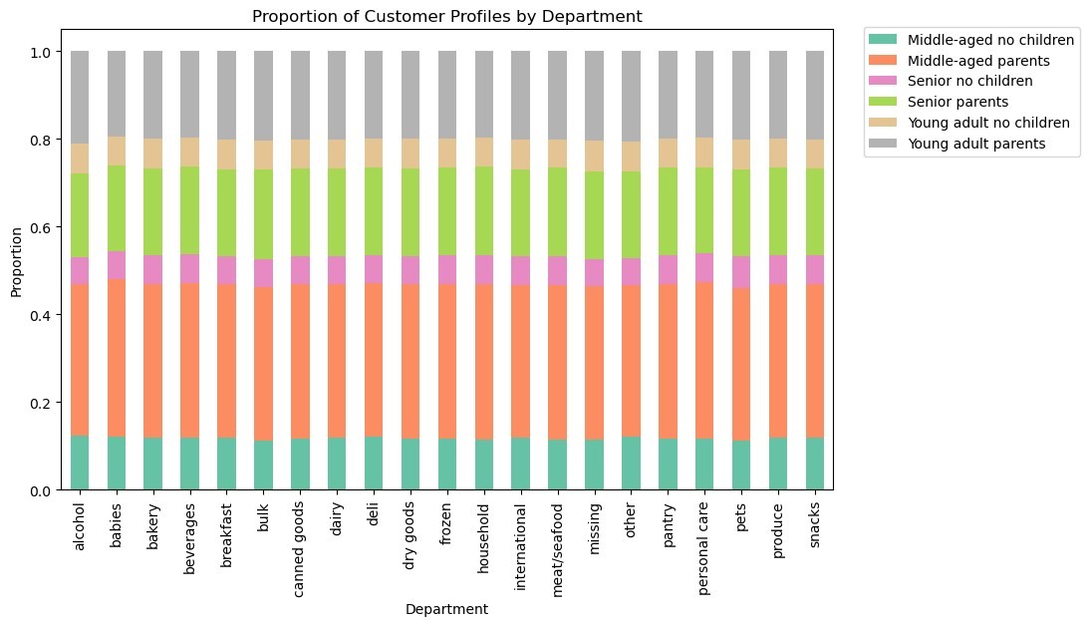

Key Question 5f: Differences in ordering habits of different customer profiles
Relationship: Overall, across all departments middle-aged parents had the most orders followed by senior parents. Additionally, parents ordered more in general. Lastly, seniors with no children ordered the least with young adults with no children ordering just a little bit more.

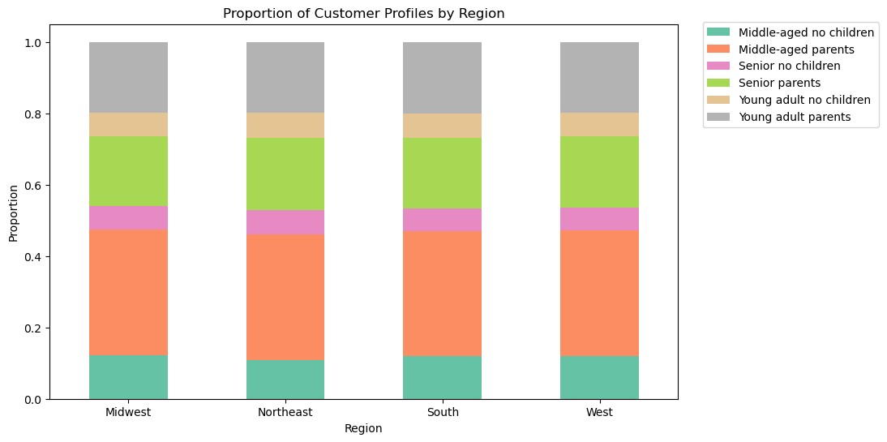

Key Question 5f: Differences in ordering habits of different customer profiles
Relationship: Overall, across all regions middle-aged parents had the most orders followed by senior parents. Additionally, parents ordered more in general. Lastly, seniors with no children ordered the least with young adults with no children ordering just a little bit more.

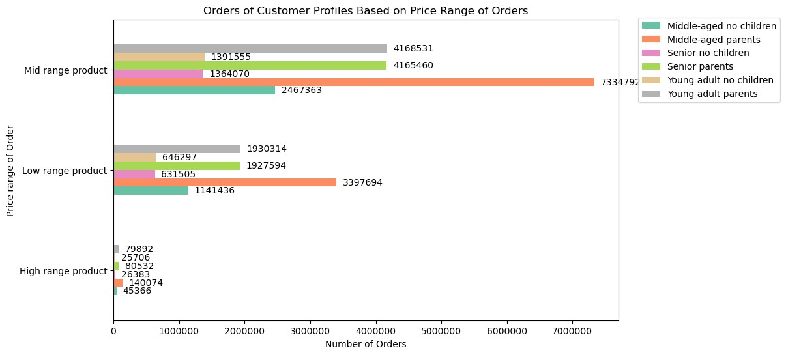

Key Question 5f: Differences in ordering habits of different customer profiles
Relationship: From all ranges we can see a pattern, from customers with children, middle-age customers ordered the most with seniors and young adults having similar number of orders. Additionally, from customers with no children, middle-age customers placed nearly twice the number of orders of senior and young adults.

7. Recommendations
 |  |  | Title page

Recommendations

Key Question 1: The sales team needs to know what the busiest days of the week and hours of the day are (i.e., the days and times with the most orders) in order to schedule ads at times when there are fewer orders.

Answer: The busiest days are weekends (Saturday and Sunday) and the slowest days are in the middle of the week, Tuesdays and Wednesdays. The busiest hours are from around 10 am to 4 pm and the slowest hours are 3 to 5 am.

Recommendation: Incentivize customers to order on slower days and hour by having sales or promotions.

Key Question 2: They also want to know whether there are particular times of the day when people spend the most money, as this might inform the type of products they advertise at these times.

Answer: Customers tend to spend the most money on a product over the weekend. In terms of particular times of the day, customers spend the most money at around 4 am. As shown in the visualization, Top 10 Products Bought at 4 am, the products that should be advertised are yogurts, beverages such as milk and bars.

Recommendation: The aforementioned products should be advertised during the early morning on weekends.

Key Question 3: Instacart has a lot of products with different price tags. Marketing and sales want to use simpler price range groupings to help direct their efforts.

Answer: High, medium, low-range product variables were derived based on prices. High-range products are products greater than $15. Mid-range products are products greater than $5 and less than or equal to $15.
Low-range products are products less than $5.

Recommendation: The price ranges created should be used to help direct their efforts.

 |  | Mid range product 756450 Low range product 243550 Name: price_range_loc, dtype: int64

Key Question 4: Are there certain types of products that are more popular than others? The marketing and sales teams want to know which departments have the highest frequency of product orders.

Answer: The top 5 departments with the highest frequency of product orders are: produce, dairy, snacks, beverages and frozen. The visualization Top 10 Departments by Number of Orders shows the top 10 departments with the highest frequency of product orders.

Recommendation: Produce and dairy are significantly more popular than the other products. Therefore, efforts should be directed in increasing products or getting better quality products in these departments by increasing suppliers. Additionally, because these are significant drivers of order numbers, occasional sales and promotions could be use to incentivize customers to continue ordering.

Key Question 5a: What’s the distribution among users in regards to their brand loyalty (i.e., how often do they return to Instacart)?

Answer: The distribution among useres in regards to their brand loyalty were: Regular customer ( has placed between 11 and 40 orders): 15,878,776 New customer ( has placed less than 10 orders): 6,243,990 Loyal customer ( has placed more than 40 orders): 10,284,093 | Regular customer 15876776 Loyal customer 10284093 New customer 6243990 Name: loyalty_flag, dtype: int64

Recommendation: Loyal customers need to be maintained while, regular customers and new customers need to be incentivized to order more. Therefore, targeted promotions/marketing campaigns should be implemented, such as, setting order number goals for each group and if they hit the goal they get an item for free or discounts and the like.

Key Question 5b: Are there differences in ordering habits based on a customer’s loyalty status?

Answer: Overall, ordering habits based on customer's loyalty status did not differ greatly. In terms of order habits by day, regular and new customers had similar trends, in the middle of the week they ordered less and ordered more towards the end. Meanwhile, loyal customers actually peaked in orders on Sunday rather than Saturday. Overall, regular customers ordered the most over the week followed by loyal and newer customers. Additionally, in terms of hour of day, all customers, regardless of loyalty status, tend to do most of their shopping in the afternoon. However, loyal customers seem to order noticeably more at early times (around 10 am) than the other two groups. Additionally, regular customers also order more at early times. Overall, regular customers order the most, followed by loyal and newer customers. Lastly, all customers, regardless of loyalty status, seemed to order the most from the same departments, such as, produce, dairy and beverages.

Recommendation: As number of orders in the weekend early afternoon to early evening are significantly greater than other days and hours, marketing and sales should direct their efforts to not only maintain the number of orders, but provide promotions to customers and advertise products and times outside of the aforementioned day and time to increase overall orders.

Key Question 5c: Are there differences in ordering habits based on a customer’s region?

Answer: Ordering habits seem to be similar throughout all 4 regions. Saturday is the busiest day and 10 am is the busiest time of the day. Overall, customers in the South place the most orders, followed by the West, Midwest and North.

Recommendation: The Northeast region falls behind the other regions in terms of number of orders, in all days of the week and hours of the day. Therefore, efforts should be directed to make Instacart more widely known and used in the Northeast, either through promotions or events.

Key Question 5d: Is there a connection between age and family status in terms of ordering habits?

Answer: Between age and family status, there were differences in number of orders depending on their martial status of the age group. Of married customers, middle-aged customers ordered the most and young adults the least. Only young adult customers are living with parents and siblings. Additionally, of divorced/widowed customers, seniors ordered more than middle age customers. Lastly, there are no single senior customers and middle age customers that are single order more than young adult customers.

Recommendation: The most obvious differences in number of orders is in the middle-aged age group. In order to incentivize those who are single or divorced/widowed, or in other words living alone, further analysis is needed to see which departments they tend to order from. With this we can either increase the variety or have more frequent promotions in the department.

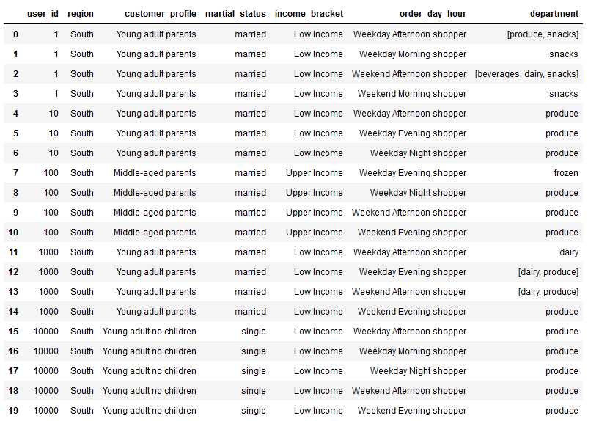
Key Question 5e: What different classifications does the demographic information suggest? Age? Income? Certain types of goods? Family status?

Answer: Ages of customers and the number of dependants that they have were used to create customer profiles, Middle-aged parents, Middle-aged no children, Senior parents, Senior no children, Young adult parents and Young adult no children. The customer profiles could then be classified by the region that they are in, martial_status, income_bracket, the day and hour of day they frequently order and the department they ordered the most from.

Recommendation: Regardless of other demographic information, majority of customers are parents. Therefore, we should direct efforts into departments that parents are most likely interested in such as bulk, baby, household and etc.

Key Question 5f: What differences can you find in ordering habits of different customer profiles? Consider the price of orders, the frequency of orders, the products customers are ordering, and anything else you can think of.

Answer: Overall, when looking at ordering habits of different customer profiles, by price of orders, day and hour of order, region, and department we see very small differences. In general, middle-aged parents had the most orders followed by senior parents. Additionally, parents ordered more in general. Lastly, seniors with no children ordered the least with young adults with no children ordering just a little bit more.

Recommendation: With the current analysis there are no significant differences to be found. Therefore, it would be best to focus our efforts on the largest customer profile which is middle-aged parents. Middle-age parents tend to order the most on weekday afternoons, and generally order the most in all departments. To know which departments that middle-age parents order from, further analysis is needed. Furthermore, although proportionally customer profiles are similar throughout all region, we know that from a previous key question the Northeast is behind other regions in terms of number of orders. Therefore, effort would be needed to reach middle-age parents in the Northeast. Lastly, middle-age parents prefer mid range products the most, therefore, the quality and price of products should be directed toward the mid price range.

